Dashboard
Enterprise Risk Register

Update Data

Filers FAQ
2023-04-03

 | Total
No | 9
 | Total
(blank)
 | Total
(blank)
 | Total
(blank)
 | Total
(blank)
 | Total
MD | 1
(blank)
 | Total
(blank)
 | Total
(blank)
Business Objectives
Objectives By Department
9
Total Objectives
Objective Progress
Continual Improvements
0
Total CI Raised
CI Progress
Improvements By Department
Company Risks
Total Risk Identified
0
Risk Status
Company Opportunities
Total Opportunities Identified
0
18

Learn More

Last Reviwed

Learn More

Last Reviwed

Learn More

Last Reviwed

Opportunities By Department

Learn More

Last Reviwed
24.01.25

Intrested Parties

Total Parties
Party Type
 | Total
Keep satisfied | 4
Manage | 5
Manage closely | 3
Monitor | 6
Party Requirment
 | Total
EXTERNAL | 13
INTERNAL | 5

Learn More

Last Reviwed

STEEPLE- Analysis

Total STEEPLE Items
STEEPLE by Impact
STEEPLE Aspect
 | Total
(blank)
 | Total
Economical | 4
Ethical | 2
Legal | 7
Political | 1
Social | 7
Social | 1
Technological | 2
Environmental | 4
(blank)
28

Learn More

Last Reviwed

Business-Objectives
Dashboard

NUM | OBJECTIVE | RESPONSIBLE (TEAM) | HOW / RESOURCES REQUIRED | MEASUREMENT (KEY RESULTS TO BE EVALUATED) | TARGET DATE | Progress Made to date Q1 | Progress Made to date Q2 | Progress Made to date Q3 | Progress Made to date Q4 | ACHIVED (Y/N) | DATE ACHIVED
 |  |  |  |  |  |  |  |  |  | No
 |  |  |  |  |  |  |  |  |  | No
 |  |  |  |  |  |  |  |  |  | No
 |  |  |  |  |  |  |  |  |  | No
 |  |  |  |  |  |  |  |  |  | No
 |  |  |  |  |  |  |  |  |  | No
 |  |  |  |  |  |  |  |  |  | No
 |  |  |  |  |  |  |  |  |  | No
 |  |  |  |  |  |  |  |  |  | No

Steeple Analysis
Dashboard
Last Reviewed

Aspect | Year Identified/Updatd | Issues or Opportunity | Internal / External | Positive / Negative

 |  |  |  |  | Climate change considerations

Risk-Register
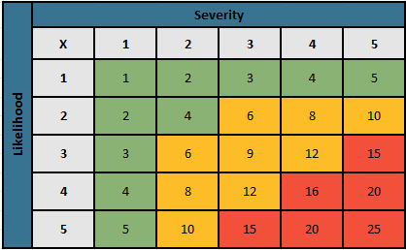
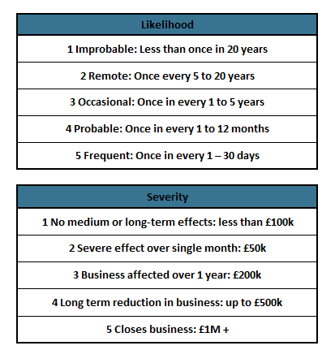
Dashboard
 |  |  | Reviewed
INTERNAL/ EXTERNAL | RISK | OBJECTIVE RISK | OWNER | Likelihood | Severity | Risk Rating | Risk Category | Status | Year raised/Updated | RISK CONTROL MEASURES (RCM) | Residual Likelihood | Residual Severity | Residual risk | Residual category

CI-Action Log
Dashboard

 |  |  | Last Reviewed

CI Number | SOURCE | ACTION / IMPROVEMENT | Date Raised | Process | Department | RESPONSIBLE | ACTION DATE | STATUS | Comments/Notes

Opportunities-Register
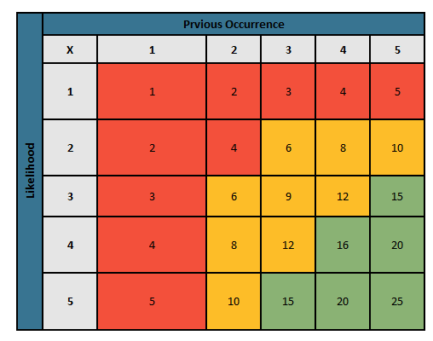
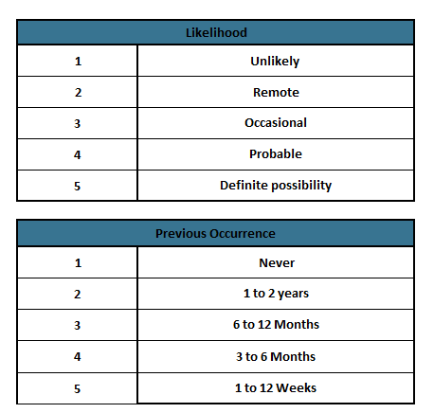
Dashboard

 |  |  |  | Last Reviewed | 24.01.25

ID | Internal / External | STEEPLE REF | OPPORTUNITY | Year Identified | OWNER | Likelihood | Previous Occurance | Rating | Qualification | STRATEGY TO IMPLEMENT | Residual Likelyhood | Residual Previous Occurance | Residual Rating | Residual Qualification | Achievable Y/N | Progress

Intrested Parties
Dashboard
 |  |  | Last Reviewed

PARTY | INT / EXT | NEEDS / EXPECTATIONS | Year Identified/ Updated | POWER / INTEREST | OBJECTIVES | RISKS | OPPORTUNITIES | PRIORITY | MITIGATING ACTIONS

How to Guide
 |  |  |  | How to Update the Dashboard

The Dashboard tab provides a summary of the data in your tables. Please note that this summary does not update automatically. You'll need to manually refresh it to reflect any changes you've made. Follow the steps below for how to do this.

 | Step 1 | Navigate to the DATA tab with the tool bar headings

 | Step 2 |  | Click Refreshed All : The dashboard should now reflect any data changes you have made to the tables.

Dashboard

 |  |  |  |  | Dashboard Filters

 |  |  | The dashboard has a some Dynamic Slicer Filter on it, which allows you to better analyze the data. Here's some information on how to use it.

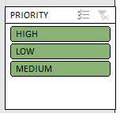

 | Filter Options |  | The criteria by which you can filter the data are indicated by the green boxes. Please note that these green boxes will only appear when data exists within the table

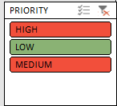
 | Choosing your Criteria |  | Simply click on the criteria you wish to use for filtering the data. Your selection will remain green, while the data that is being filtered out will turn red

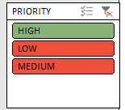
 | Switching Crieria |  | Simply click the new criteria you wish to filter. The color of the new selection will change from red to green, and the criteria that were previously being filtered will switch from green to red

 | Removing Filters |  | To remove all filters from a criteria selection, click the red 'X' in the top right of the Slicer filter box. All the criteria will now return to a green color

Dashboard

